Introduction
The CCI Channel Crate: Making a Lightweight, Reusable Crating System.
Channel Crate Design Tool
Description
The Channel Crate Design Tool was designed by the Canadian Conservation Institute (CCI) as a tool to help design a channel crate according to a given interior dimension requirement.
This design tool is meant to be used with CCI Note 20/1 . The tool calculates the dimensions of each plywood and triwall part, using the same equations shown in the sections "Channel parts and skids" and "Ccover panels and fasteners" in the Note. It also calculates external crate dimensions, the crate weight, the spacing between cover fasteners, the vertical and horizontal rib count as well as the total quantity and cost of materials and hardware.
Guide
To enter or update material, hardware and labour details, use the "Data" spreadsheet. This data will be used for design calculations. Input interior dimensions in SI (metric) or imperial units in the appropriate spreadsheet. Make design entries in the active cells in the section labelled “Design.” For SI units, make entries to the nearest millimetre. When working with imperial units, dimensions can be entered as values and fractions separated by a space (for example, 24 1/2) or as a decimal value (for example, 24.5). To save a project, use a new file name to save the workbook or use the export option to create a PDF document. Consult notes appearing below a section for additional guidance.
Disclaimer
The Channel Crate Design Tool was designed for convenience and should only be used as a reference tool. CCI makes no representation about the accuracy, reliability and completeness of this tool or the results to be obtained from its use. CCI assumes no responsibility related to any express, implied or statutory warranties in accordance with the calculations and tabulated results generated by this tool. © Government of Canada, Canadian Conservation Institute, 2024
This tool is published by the Canadian Conservation Institute.
For the conditions of use and reproduction of these resources, consult the section "Ownership and usage of content provided on this site" on the Terms and conditions page for the Canada. ca website.

SI units
1. Design |  | 2. Plywood Parts and Skids |  |  |  | 3. Channel Construction |  |  |  | 4. Crate Assembly |  |  |  | 5. Covers
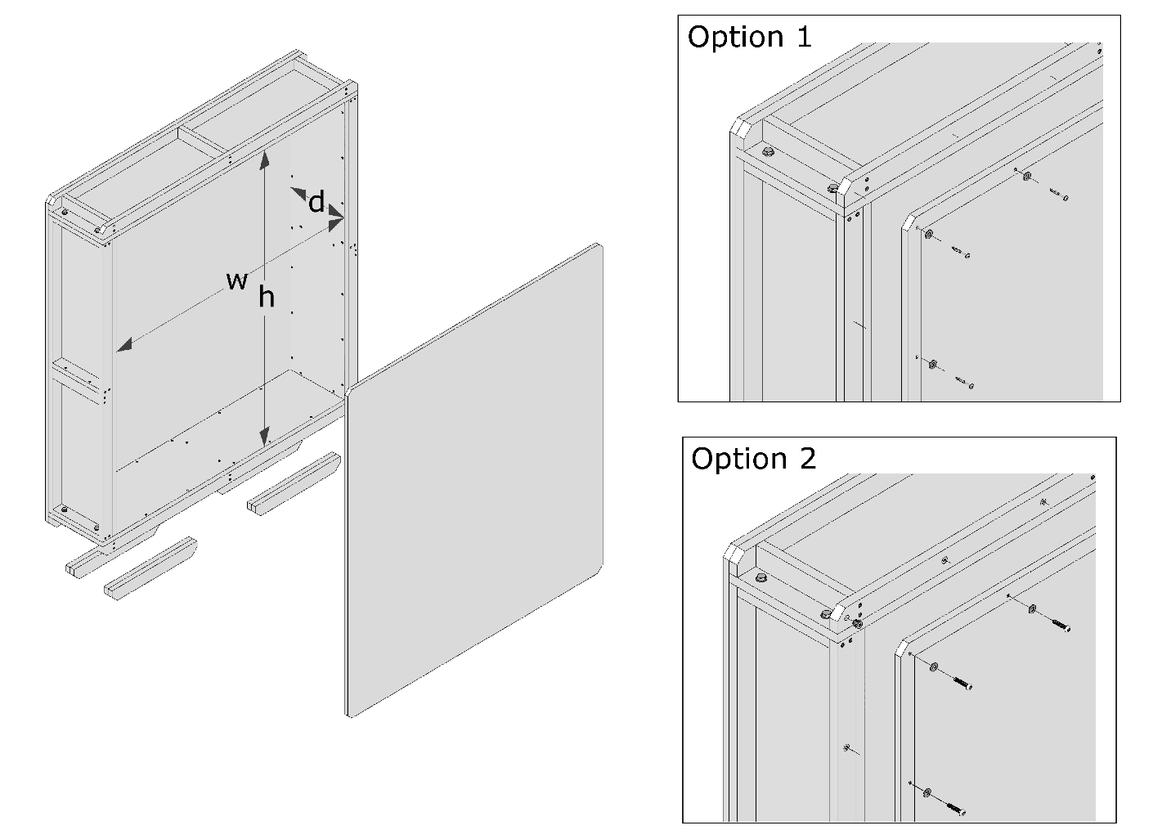
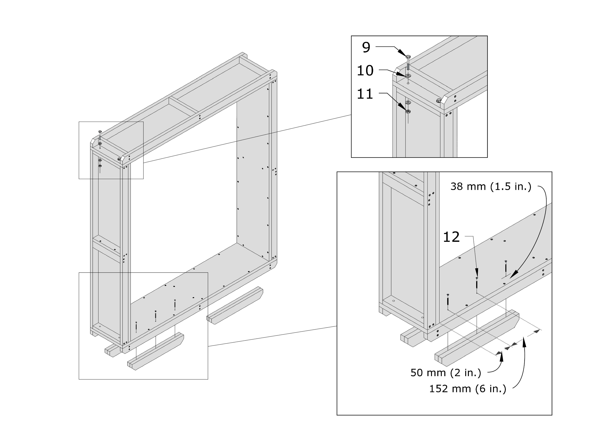
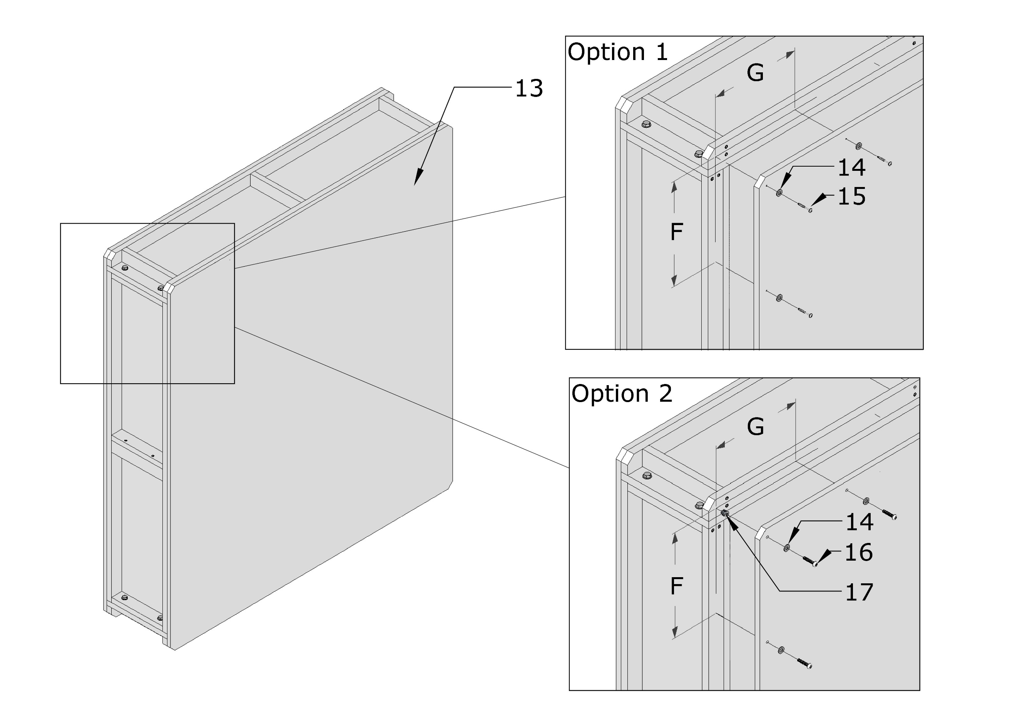
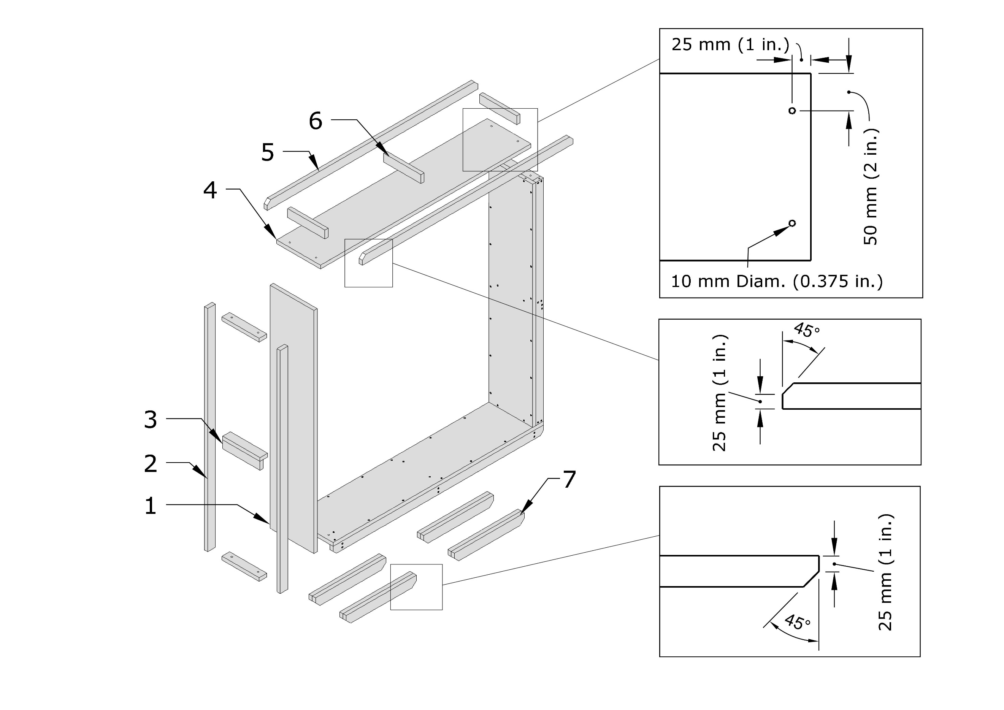
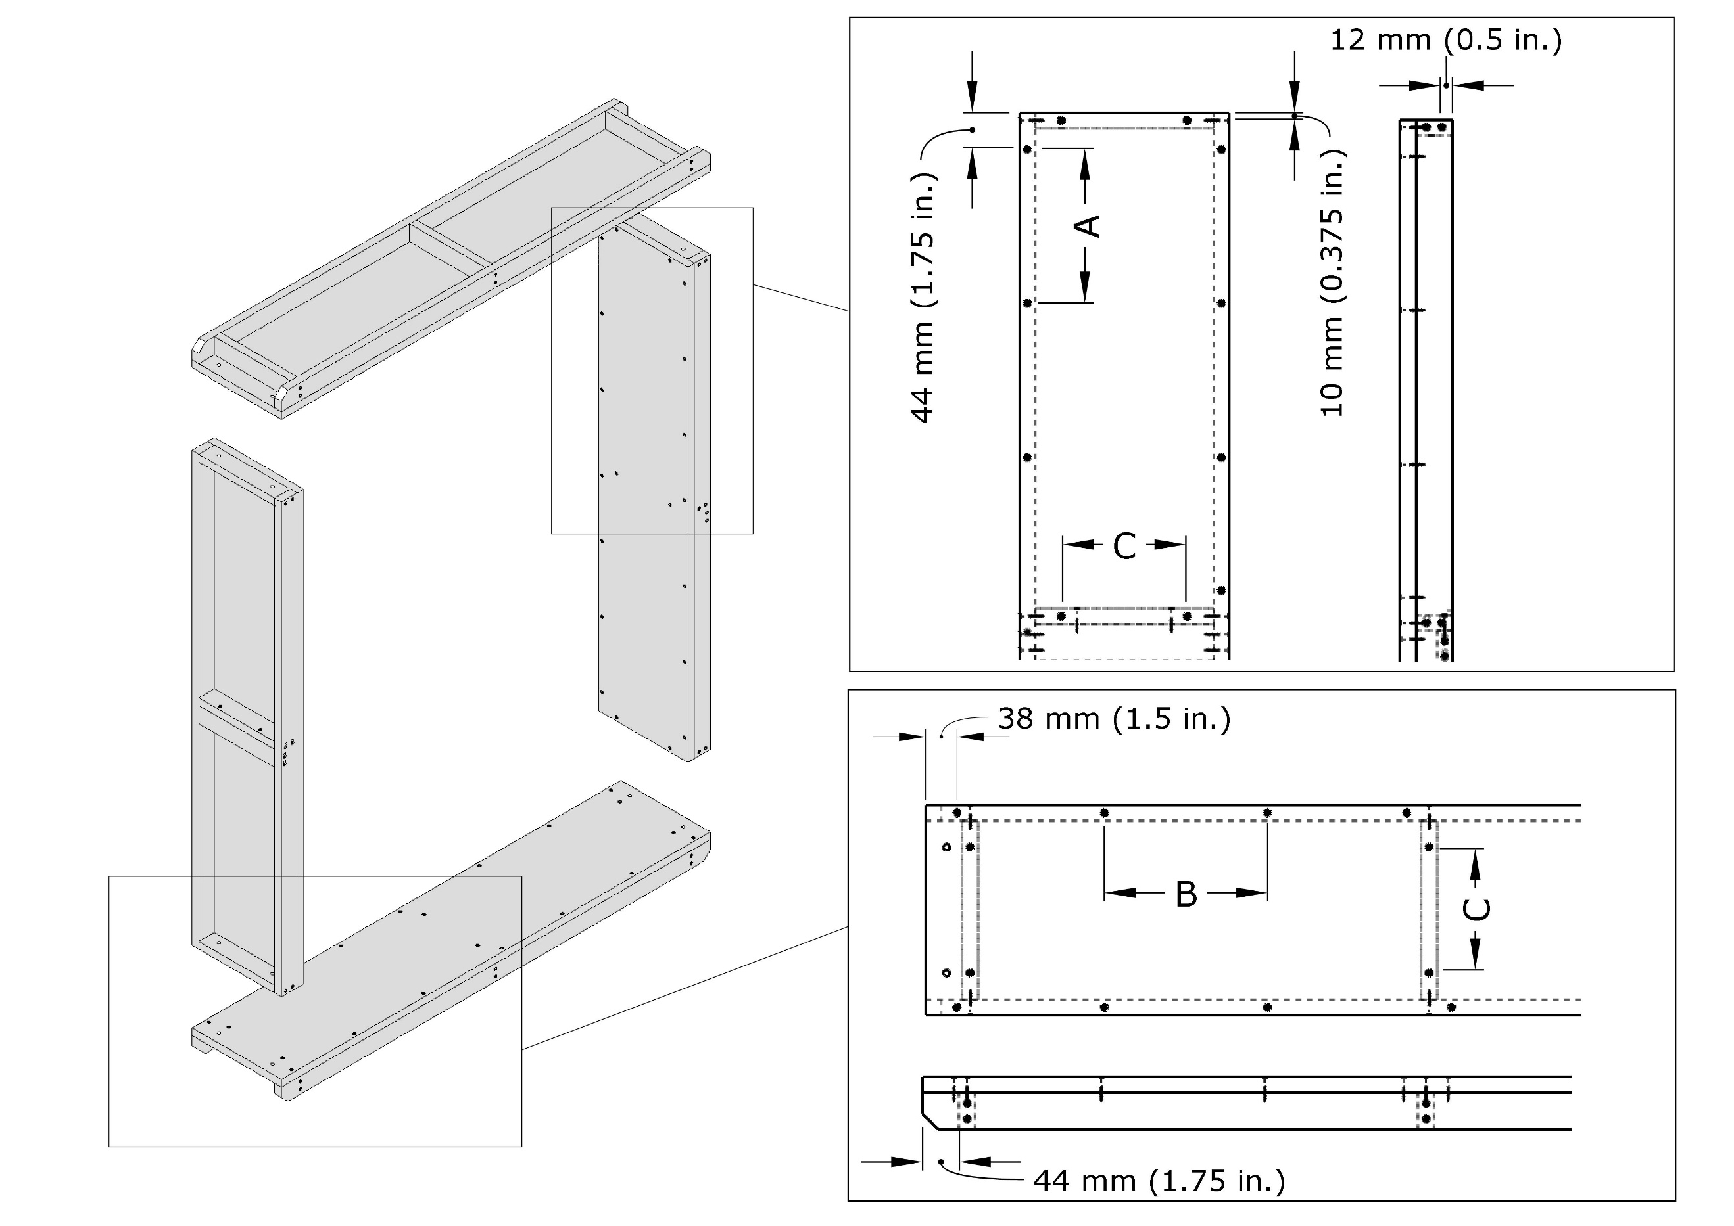

© Government of Canada, Canadian Conservation Institute. 131500-0014 |  | © Government of Canada, Canadian Conservation Institute. 131500-0007 |  |  |  | © Government of Canada, Canadian Conservation Institute. 131500-0009 |  |  |  | © Government of Canada, Canadian Conservation Institute. 131500-0011 |  |  |  | © Government of Canada, Canadian Conservation Institute. 131500-0013

Material thickness (mm) |  | Part | Quantity | Name | Details | Part | Quantity | Name | Details | Part | Quantity | Name | Details | Part | Quantity | Name | Details
Plywood | 18 | 1 | 2 | Vertical panel | 1219 mm × 254 mm | 8 | 168 | Wood screw | 4 mm × 40 mm | 9 | 8 | Bolt | M8-1.25 × 50 mm | 13 | 2 | Triwall cover | 1344 mm × 1217 mm
Cover | 16 | 2 | 4 | Vertical rail | 1219 mm × 44 mm |  |  |  |  | 10 | 16 | Washer | M8 | 14 | 30 | Washer | M6
 |  | 3 | 2 | Handle | 217 mm × 44 mm | Screw spacing |  |  |  | 11 | 8 | Nut | M8-1.25 mm | 15 | 30 | Washer head screw | M4 × 40 mm
Options |  | 4 | 2 | Horizontal panel | 1217 mm × 254 mm | A |  | 163 mm |  | 12 | 12 | Screw | 4 mm × 50 mm | 16 | 0 | Machine screw | M6-1 × 30 mm
Skids | 4 | 5 | 4 | Horizontal rail | 1217 mm × 44 mm | B |  | 161 mm |  |  |  |  |  | 17 | 0 | Cover insert nut | M6-1 × 13 mm
Cover fasteners | 1 | 6 | 16 | Rib | 217 mm × 44 mm | C |  | 181 mm |  |  |  |  |  | 18 | 5124 | Kraft reinforced tape | 5124 mm × 75 mm
 |  | 7 | 4 | Skid | 51 mm × 51 mm × 182 mm
Crate interior dimensions (mm) |  |  |  |  |  |  |  |  |  |  |  |  |  | Total material requirement
Height (h) | 1219 | Total material requirement |  |  |  |  |  |  |  |  |  |  |  | Cover material |  | 3 m²
Width (w) | 1092 | Plywood |  | 2 m²
Depth (d) | 254 |  |  |  |  |  |  |  |  |  |  |  |  | Cover fastener spacing
 |  |  |  |  |  |  |  |  |  |  |  |  |  | F |  | 186 mm
Crate exterior dimensions (mm) |  |  |  |  |  |  |  |  |  |  |  |  |  | G |  | 195 mm
Height | 1351
Width | 1217
Depth | 286

Crate weight (kg)
Weight | 26

Costs
Material | $67.79
Hardware | $18.68
Labour | $140.00
Total | $226.47

Design note: |  | Skid notes: |  |  |  | Screw spacing note: |  |  |  | Skid note:
1. For channel orientation shown, assign vertical dimension to height (h). |  | 1. Skid can be lumber or plywood laminate. |  |  |  | 1. Zero (0) value indicates a single centrally located screw. |  |  |  | 1. Skid fastening details may vary depending on skid length.
 |  | 2. Actual skid height is 51 mm.
Plywood notes:
1. Recommended nominal plywood thickness is 19 mm.
2. Actual thickness for 19 mm plywood is 18 mm.
3. Verify material properties on the "Data" spreadsheet and update if necessary.

Cover notes:
1. Recommended cover material is triple-wall corrugated cardboard (triwall).
2. Actual thickness for triwall is 16 mm.
3. Verify material properties on the "Data" spreadsheet and update if necessary.
4. Cover fastener option 1: washer head screws.
5. Cover fastener option 2: machine screws and insert nuts.

Skid note:
1. Enter zero (0) if there are none.

Imperial units
1. Design |  | 2. Plywood Parts and Skids |  |  |  | 3. Channel Construction |  |  |  | 4. Crate Assembly |  |  |  | 5. Covers
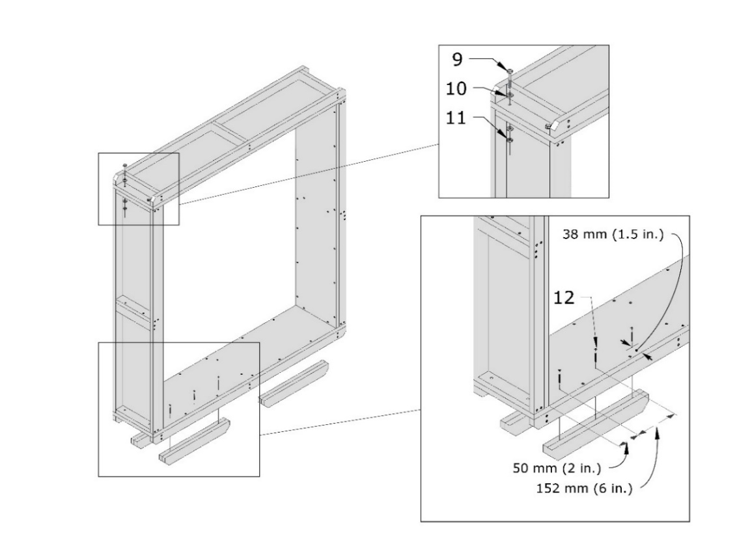
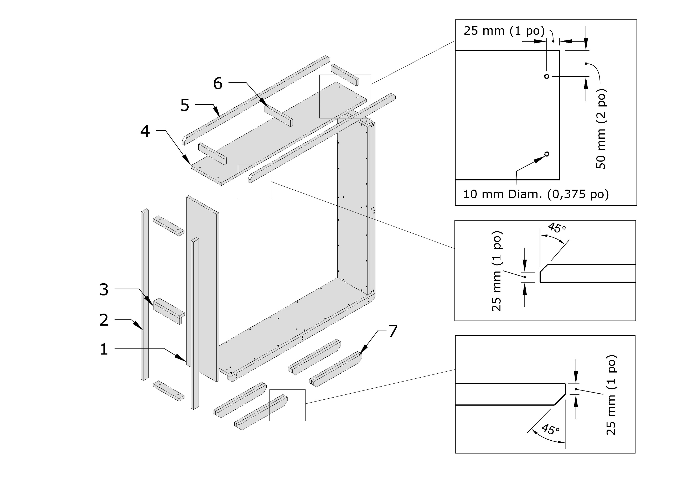
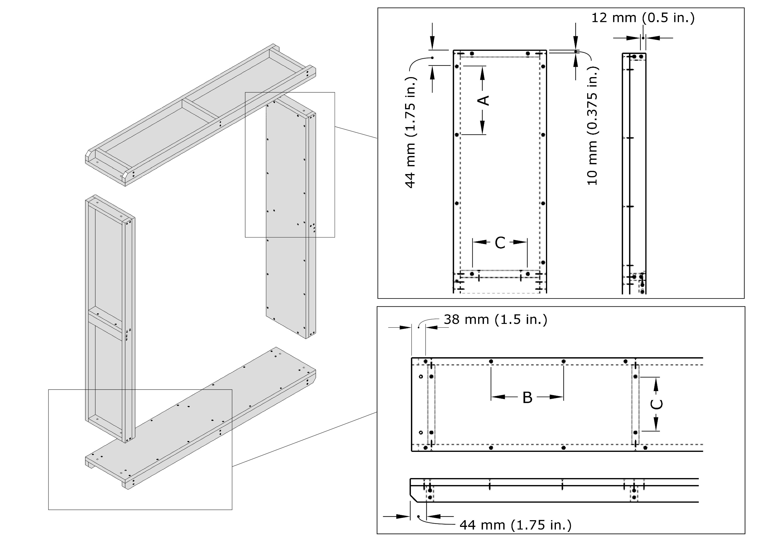

© Government of Canada, Canadian Conservation Institute. 131500-0014
 |  | © Government of Canada, Canadian Conservation Institute. 131500-0007 |  |  |  | © Government of Canada, Canadian Conservation Institute. 131500-0009 |  |  |  | © Government of Canada, Canadian Conservation Institute. 131500-0011 |  |  |  | © Government of Canada, Canadian Conservation Institute. 131500-0013
Measurement precision | 0.0625
 |  | Part | Quantity | Name | Details | Part | Quantity | Name | Details | Part | Quantity | Name | Details | Part | Quantity | Name | Details
Material thickness (in.) |  | 1 | 2 | Vertical panel | 48 in. × 10 in. | 8 | 168 | Wood screw | #8 × 1 1/2 in. | 9 | 8 | Bolt | 5/16 × 2 in. | 13 | 2 | Triwall cover | 52 15/16 in. × 47 15/16 in.
Plywood | 0.71875 | 2 | 4 | Vertical rail | 48 in. × 1 3/4 in. |  |  |  |  | 10 | 16 | Washer | 5/16 in. | 14 | 30 | Washer | 1/4 in.
Cover | 0.625 | 3 | 2 | Handle | 8 9/16 in. × 1 3/4 in. | Screw spacing |  |  |  | 11 | 8 | Nut | 5/16 in. | 15 | 30 | Washer head screw | #8 × 1 1/4 in.
 |  | 4 | 2 | Horizontal panel | 47 15/16 in. × 10 in. | A |  | 6 7/16 in. |  | 12 | 12 | Screw | #8 × 2 in. | 16 | 0 | Machine screw | 1/4-20 × 1 1/4 in.
Options |  | 5 | 4 | Horizontal rail | 47 15/16 in. × 1 3/4 in. | B |  | 6 3/8 in. |  |  |  |  |  | 17 | 0 | Cover insert nut | 1/4-20 × 1/2 in.
Skids | 4 | 6 | 16 | Rib | 8 9/16 in. × 1 3/4 in. | C |  | 7 1/8 in. |  |  |  |  |  | 18 | 202 | Kraft reinforced tape | 202 in. × 3 in.
Cover fasteners | 1 | 7 | 4 | Skid | 2 in. × 2 in. × 7 3/16 in.
 |  |  |  |  |  |  |  |  |  |  |  |  |  | Total material requirement
Crate interior dimensions (in.) |  | Total material requirement |  |  |  |  |  |  |  |  |  |  |  | Cover material |  | 35 sq. ft.
Height (h) | 48 | Plywood |  | 20 sq. ft.
Width (w) | 43 |  |  |  |  |  |  |  |  |  |  |  |  | Cover fastener spacing
Depth (d) | 10 |  |  |  |  |  |  |  |  |  |  |  |  | F |  | 7 5/16 in.
 |  |  |  |  |  |  |  |  |  |  |  |  |  | G |  | 7 11/16 in.
Crate exterior dimensions (in.)
Height | 53 3/16
Width | 47 15/16
Depth | 11 1/4

Crate weight (lb.) | 58

Costs
Material | $67.81
Hardware | $18.68
Labour | $140.00
Total | $226.49

Design notes: |  | Skid notes: |  |  |  | Screw spacing note: |  |  |  | Skid note:
1. For channel orientation shown, assign vertical dimension to height (h). |  | 1. Skid can be lumber or plywood laminate. |  |  |  | 1. Zero (0) value indicates a single centrally located screw. |  |  |  | 1. Skid fastening details may vary depending on skid length.
2. Select the measurement precision for the wood and cover panel parts (1/16 in. or 1/32 in.) |  | 2. Actual skid height is 2 in.

Plywood notes:
1. Recommended nominal plywood thickness is 3/4 in.
2. Actual thickness for 3/4 in. plywood is 23/32 in. (0.719 in.)
3. Verify material properties on the "Data" spreadsheet and update if necessary.

Cover notes:
1. Recommended cover material is triple-wall corrugated cardboard (triwall).
2. Actual thickness for triwall is 5/8 in. (0.625 in.).
3. Verify material properties on the "Data" spreadsheet and update if necessary.
4. Cover fastener option 1: washer head screws.
5. Cover fastener option 2: machine screws and insert nuts.

Skid note:
1. Enter zero (0) if there are none.

