Paper details
Paper Details
Description of the types of papers |  |  |  |  |  |  |  | Correlation between the degree of polymerization (DP) and the breaking length.
 |  |  |  |  |  |  |  | Note that DP has no unit.
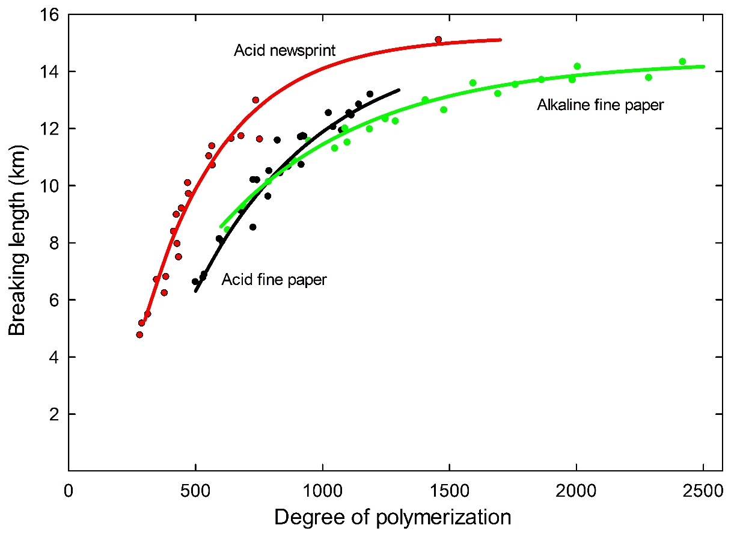
Type of paper | Paper code in Tétreault et al. (2023) | Type of pulp | Fibres | Additives | pH | Activation energy (kJ/mol) | Producer
Acid newsprint | TMP4.7 | Thermomechanical pulp | Hardwood and softwood | Alum-rosin sizing | 4.7 | 101 | Fletcher Challenge Canada
Acid fine paper | BKP5.1 | Bleached kraft pulp | 50% hardwood, 50% softwood | 4% clay, alum-rosin sizing, starch | 5.1 | 127 | Domtar Inc.
Alkaline fine paper | BKP9.6 | Bleached kraft pulp | 15% hardwood, 85% softwood | 10% precipitated calcium carbonate, alkyl ketene dimer sizing, starch | 9.6 | 127 | Domtar Inc.

 |  |  |  |  |  |  |  | © Government of Canada, Canadian Conservation Institute. 135454-0001

Single climate
Single Climate
Simulation of the decay of the three types of paper in a single climate
Instructions
For each type of paper, specify the current condition in terms of degree of polymerization (DP) in the yellow cells B11 to B13. The default DP value of 100% corresponds to the undamaged paper.
Then, specify the temperature and the relative humidity (RH) in the yellow cells B14 and B15.
The selected temperature should be maintained within the range of 5°C to 25°C, while the RH should be within the range of 15% to 75%. Deviating from these limits will compromise the reliability of the results.
The DP and breaking length (BL) after 50, 100, 250 and 500 years are calculated automatically in the green cells B19 to E27.
The decay trends are also shown graphically in terms of DP and BL.

Degree of polymerization
 | Alkaline fine paper |  | Acid fine paper |  | Acid newsprint
0 | 100.0 | 0 | 100.0 | 0 | 100.0
10 | 99.6 | 10 | 98.6 | 3 | 94.9
20 | 99.3 | 20 | 97.1 | 6 | 88.9
30 | 98.9 | 30 | 95.6 | 9 | 82.2
40 | 98.5 | 40 | 94.0 | 12 | 75.0
50 | 98.2 | 50 | 92.5 | 15 | 68.2
60 | 97.8 | 60 | 90.9 | 18 | 62.3
70 | 97.5 | 70 | 89.4 | 21 | 57.5
80 | 97.2 | 80 | 87.8 | 24 | 53.6
90 | 96.8 | 90 | 86.2 | 27 | 50.5
100 | 96.5 | 100 | 84.7 | 30 | 48.0
110 | 96.2 | 110 | 83.2 | 33 | 45.9
120 | 95.8 | 120 | 81.7 | 36 | 44.0
130 | 95.5 | 130 | 80.2 | 39 | 42.5
140 | 95.2 | 140 | 78.8 | 42 | 41.1
150 | 94.9 | 150 | 77.4 | 45 | 39.8
160 | 94.6 | 160 | 76.1 | 48 | 38.7
170 | 94.3 | 170 | 74.8 | 50 | 38.1
180 | 94.0 | 180 | 73.5 | 53 | 37.0
190 | 93.7 | 190 | 72.3 | 56 | 36.2
200 | 93.4 | 200 | 71.1 | 59 | 35.4
210 | 93.1 | 210 | 70.0 | 62 | 34.7
220 | 92.8 | 220 | 69.0 | 65 | 34.0
230 | 92.5 | 230 | 68.0 | 68 | 33.4
240 | 92.2 | 240 | 67.0 | 71 | 32.9
250 | 91.9 | 250 | 66.1 | 74 | 32.3
260 | 91.6 | 260 | 65.2 | 77 | 31.8
270 | 91.3 | 270 | 64.3 | 80 | 31.3
280 | 91.1 | 280 | 63.5 | 83 | 30.9
290 | 90.8 | 290 | 62.7 | 86 | 30.5
300 | 90.5 | 300 | 62.0 | 89 | 30.1
310 | 90.2 | 310 | 61.2 | 92 | 29.7
320 | 90.0 | 320 | 60.5 | 95 | 29.3
330 | 89.7 | 330 | 59.9 | 100 | 28.6
340 | 89.4 | 340 | 59.2 | 103 | 28.6
350 | 89.2 | 350 | 58.6 | 106 | 28.1
360 | 88.9 | 360 | 58.0 | 109 | 27.9
370 | 88.6 | 370 | 57.5 | 112 | 27.5
380 | 88.4 | 380 | 56.9 | 115 | 27.3
390 | 88.1 | 390 | 56.4 | 118 | 27.0
400 | 87.9 | 400 | 55.9 | 121 | 26.8
410 | 87.6 | 410 | 55.4 | 124 | 26.6
420 | 87.4 | 420 | 54.9 | 127 | 26.4
430 | 87.1 | 430 | 54.5 | 130 | 26.1
440 | 86.9 | 440 | 54.0 | 133 | 25.9
450 | 86.6 | 450 | 53.6 | 136 | 25.7
460 | 86.4 | 460 | 53.2 | 139 | 25.5
470 | 86.2 | 470 | 52.8 | 142 | 25.3
480 | 85.9 | 480 | 52.4 | 145 | 25.2
490 | 85.7 | 490 | 52.0 | 148 | 25.0
...
Breaking length
 | Alkaline fine paper |  | Acid fine paper |  | Acid newsprint
0 | 100.0 | 0 | 100.0 | 0 | 100.0
10 | 99.9 | 10 | 98.6 | 3 | 99.1
20 | 99.9 | 20 | 97.1 | 6 | 97.8
30 | 99.8 | 30 | 95.6 | 9 | 96.2
40 | 99.8 | 40 | 94.0 | 12 | 94.2
50 | 99.7 | 50 | 92.5 | 15 | 91.9
60 | 99.7 | 60 | 90.9 | 18 | 89.5
70 | 99.6 | 70 | 89.4 | 21 | 87.2
80 | 99.6 | 80 | 87.8 | 24 | 85.0
90 | 99.5 | 90 | 86.2 | 27 | 83.0
100 | 99.5 | 100 | 84.7 | 30 | 81.2
110 | 99.4 | 110 | 83.2 | 33 | 79.5
120 | 99.4 | 120 | 81.7 | 36 | 78.0
130 | 99.3 | 130 | 80.2 | 39 | 76.5
140 | 99.3 | 140 | 78.8 | 42 | 75.1
150 | 99.2 | 150 | 77.4 | 45 | 73.8
160 | 99.2 | 160 | 76.1 | 48 | 72.5
170 | 99.1 | 170 | 74.8 | 50 | 71.9
180 | 99.1 | 180 | 73.5 | 53 | 70.5
190 | 99.1 | 190 | 72.3 | 56 | 69.5
200 | 99.0 | 200 | 71.1 | 59 | 68.4
210 | 99.0 | 210 | 70.0 | 62 | 67.4
220 | 98.9 | 220 | 69.0 | 65 | 66.4
230 | 98.9 | 230 | 68.0 | 68 | 65.5
240 | 98.8 | 240 | 67.0 | 71 | 64.6
250 | 98.8 | 250 | 66.1 | 74 | 63.7
260 | 98.7 | 260 | 65.2 | 77 | 62.8
270 | 98.7 | 270 | 64.3 | 80 | 62.0
280 | 98.6 | 280 | 63.5 | 83 | 61.2
290 | 98.6 | 290 | 62.7 | 86 | 60.4
300 | 98.5 | 300 | 62.0 | 89 | 59.7
310 | 98.5 | 310 | 61.2 | 92 | 58.9
320 | 98.4 | 320 | 60.5 | 95 | 58.2
330 | 98.4 | 330 | 59.9 | 100 | 56.7
340 | 98.3 | 340 | 59.2 | 103 | 56.6
350 | 98.3 | 350 | 58.6 | 106 | 55.6
360 | 98.3 | 360 | 58.0 | 109 | 55.2
370 | 98.2 | 370 | 57.5 | 112 | 54.4
380 | 98.2 | 380 | 56.9 | 115 | 54.0
390 | 98.1 | 390 | 56.4 | 118 | 53.2
400 | 98.1 | 400 | 55.9 | 121 | 52.7
410 | 98.0 | 410 | 55.4 | 124 | 52.1
420 | 98.0 | 420 | 54.9 | 127 | 51.6
430 | 97.9 | 430 | 54.5 | 130 | 51.0
440 | 97.9 | 440 | 54.0 | 133 | 50.5
450 | 97.8 | 450 | 53.6 | 136 | 49.9
460 | 97.8 | 460 | 53.2 | 139 | 49.5
470 | 97.8 | 470 | 52.8 | 142 | 48.9
480 | 97.7 | 480 | 52.4 | 145 | 48.5
490 | 97.7 | 490 | 52.0 | 148 | 47.9
...
BL versus DP
 | 50 years |  | 100 yrs |  | 250 yrs |  | 500 yrs |  | 5.1 50 yrs |  | 5.1 100 yrs |  | 5.1 250 yrs |  | 5.1 500 yrs |  | 9.6 50 yrs |  | 9.6 100 yrs |  | 9.6 250 yrs |  | 9.6 500 yrs
556 | 10.64 | 417 | 8.40 | 307 | 5.19 | 254 | 2.65 | 1099 | 12.45 | 1006 | 11.96 | 785 | 10.35 | 614 | 8.30 | 2375 | 14.18 | 2334 | 14.14 | 2223 | 14.04 | 2067 | 13.88
Type of paper | Current DP (%)
Acid newsprint | 100
Acid fine paper | 100
Alkaline fine paper | 100
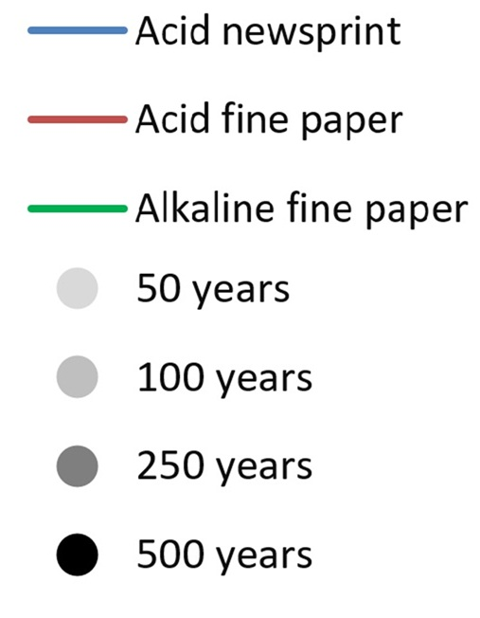
Temperature (0C) | 21
RH (%) | 50

DP remaining after 50, 100, 250 and 500 years (%)
Type of paper | 50 years | 100 years | 250 years | 500 years
Acid newsprint | 38 | 29 | 21 | 17
Acid fine paper | 92 | 85 | 66 | 52
Alkaline fine paper | 98 | 96 | 92 | 85

BL remaining after 50, 100, 250 and 500 years (%)
Type of paper | 50 years | 100 years | 250 years | 500 years
Acid newsprint | 72 | 57 | 35 | 18
Acid fine paper | 97 | 93 | 81 | 65
Alkaline fine paper | 100 | 99 | 99 | 98

Multiple climates
Multiple Climates
Simulation of the decay of each type of paper across three different climates
Instructions
For each scenario, specify the current paper condition in terms of degree of polymerization (DP) in the yellow cells in column B. The default DP value of 100% corresponds to the undamaged paper.
Specify the temperature and the relative humidity (RH) for each scenario in the yellow cells in columns C and D.
The selected temperature should be maintained within the range of 5°C to 25°C while the RH should be within the range of 15% to 75%. Deviating from these limits will compromise the reliability of the results.
The DP and breaking length (BL) are calculated automatically in the green cells in columns B and C after 50 and 250 years for acid newsprint and after 100 and 500 years for acid and alkaline fine papers.
The decay trends are also shown graphically in terms of DP and BL.

Degree of polymerization
 | 1 | 2 | 3
0 | 100.0 | 95.0 | 90.0
3 | 98.0 | 89.7 | 80.0
6 | 95.9 | 83.7 | 68.9
9 | 93.6 | 77.2 | 58.7
12 | 91.1 | 70.8 | 51.1
15 | 88.5 | 64.8 | 45.9
18 | 85.8 | 59.7 | 42.3
21 | 83.0 | 55.5 | 39.6
24 | 80.1 | 52.1 | 37.5
27 | 77.3 | 49.3 | 35.7
30 | 74.6 | 47.0 | 34.3
33 | 71.9 | 45.0 | 33.0
36 | 69.4 | 43.3 | 31.9
39 | 67.1 | 41.8 | 31.0
42 | 64.9 | 40.4 | 30.1
45 | 62.9 | 39.2 | 29.4
48 | 61.0 | 38.2 | 28.7
50 | 59.8 | 37.6 | 28.4
53 | 58.2 | 36.6 | 27.6
56 | 56.7 | 35.8 | 27.2
59 | 55.3 | 35.0 | 26.6
62 | 54.0 | 34.3 | 26.2
65 | 52.8 | 33.7 | 25.7
68 | 51.7 | 33.1 | 25.4
71 | 50.7 | 32.5 | 25.0
74 | 49.7 | 32.0 | 24.7
77 | 48.8 | 31.5 | 24.3
80 | 47.9 | 31.1 | 24.1
83 | 47.1 | 30.6 | 23.7
86 | 46.3 | 30.2 | 23.5
89 | 45.6 | 29.8 | 23.2
92 | 44.9 | 29.5 | 23.0
95 | 44.3 | 29.1 | 22.7
100 | 43.2 | 28.4 | 22.3
103 | 42.7 | 28.3 | 22.3
106 | 42.1 | 27.9 | 21.9
109 | 41.6 | 27.7 | 21.9
112 | 41.1 | 27.4 | 21.5
115 | 40.6 | 27.2 | 21.5
118 | 40.2 | 26.9 | 21.2
121 | 39.7 | 26.7 | 21.2
124 | 39.3 | 26.4 | 20.9
127 | 38.9 | 26.2 | 20.9
130 | 38.5 | 26.0 | 20.6
133 | 38.1 | 25.8 | 20.6
136 | 37.8 | 25.6 | 20.4
139 | 37.4 | 25.4 | 20.4
142 | 37.1 | 25.2 | 20.1
145 | 36.7 | 25.0 | 20.1
148 | 36.4 | 24.8 | 19.9
...
Breaking length
 | 1 | 2 | 3
0 | 100.0 | 99.1 | 98.1
3 | 99.7 | 98.0 | 95.7
6 | 99.3 | 96.6 | 92.2
9 | 98.8 | 94.9 | 87.8
12 | 98.3 | 92.8 | 83.4
15 | 97.7 | 90.6 | 79.6
18 | 97.1 | 88.3 | 76.4
21 | 96.4 | 86.1 | 73.6
24 | 95.7 | 84.1 | 71.1
27 | 94.9 | 82.2 | 68.8
30 | 94.1 | 80.4 | 66.7
33 | 93.2 | 78.8 | 64.8
36 | 92.4 | 77.3 | 63.0
39 | 91.5 | 75.8 | 61.4
42 | 90.6 | 74.5 | 59.8
45 | 89.8 | 73.2 | 58.3
48 | 88.9 | 71.9 | 56.9
50 | 88.3 | 71.3 | 56.3
53 | 87.6 | 70.0 | 54.5
56 | 86.8 | 68.9 | 53.7
59 | 86.0 | 67.9 | 52.2
62 | 85.3 | 66.9 | 51.3
65 | 84.5 | 65.9 | 50.0
68 | 83.8 | 65.0 | 49.1
71 | 83.1 | 64.1 | 48.0
74 | 82.5 | 63.2 | 47.1
77 | 81.8 | 62.3 | 46.1
80 | 81.2 | 61.5 | 45.3
83 | 80.5 | 60.7 | 44.3
86 | 79.9 | 60.0 | 43.6
89 | 79.3 | 59.2 | 42.7
92 | 78.7 | 58.5 | 42.0
95 | 78.2 | 57.8 | 41.1
100 | 77.2 | 56.3 | 39.5
103 | 76.7 | 56.2 | 39.5
106 | 76.2 | 55.2 | 38.3
109 | 75.7 | 54.8 | 38.1
112 | 75.2 | 54.0 | 36.9
115 | 74.7 | 53.5 | 36.9
118 | 74.2 | 52.8 | 35.5
121 | 73.7 | 52.3 | 35.5
124 | 73.2 | 51.7 | 34.4
127 | 72.8 | 51.2 | 34.4
130 | 72.3 | 50.6 | 33.2
133 | 71.9 | 50.1 | 33.2
136 | 71.4 | 49.6 | 32.2
139 | 71.0 | 49.1 | 32.2
142 | 70.6 | 48.6 | 31.0
145 | 70.2 | 48.1 | 31.0
148 | 69.7 | 47.6 | 30.1
...
BL versus DP
 | Scenario 1: 50 years |  | Scenario 1: 250 years |  | Scenario 2: 50 years |  | Scenario 2: 250 years |  | Scenario 3: 50 years |  | Scenario 3: 250 years |  | Acid newsprint
871 | 13.08 | 430 | 8.67 | 549 | 10.56 | 306 | 5.15 | 414 | 8.34 | 252 | 2.55 | 1600 | 15.04
 |  |  |  |  |  |  |  |  |  |  |  | 1500 | 14.88
 |  |  |  |  |  |  |  |  |  |  |  | 1450 | 14.79
 |  |  |  |  |  |  |  |  |  |  |  | 1400 | 14.70
 |  |  |  |  |  |  |  |  |  |  |  | 1350 | 14.60
 |  |  |  |  |  |  |  |  |  |  |  | 1300 | 14.50
 |  |  |  |  |  |  |  |  |  |  |  | 1250 | 14.38
 |  |  |  |  |  |  |  |  |  |  |  | 1200 | 14.26
 |  |  |  |  |  |  |  |  |  |  |  | 1150 | 14.12
 |  |  |  |  |  |  |  |  |  |  |  | 1100 | 13.97
 |  |  |  |  |  |  |  |  |  |  |  | 1050 | 13.81
 |  |  |  |  |  |  |  |  |  |  |  | 1000 | 13.63
 |  |  |  |  |  |  |  |  |  |  |  | 950 | 13.44
 |  |  |  |  |  |  |  |  |  |  |  | 900 | 13.22
 |  |  |  |  |  |  |  |  |  |  |  | 850 | 12.97
 |  |  |  |  |  |  |  |  |  |  |  | 800 | 12.70
 |  |  |  |  |  |  |  |  |  |  |  | 750 | 12.39
 |  |  |  |  |  |  |  |  |  |  |  | 700 | 12.03
 |  |  |  |  |  |  |  |  |  |  |  | 650 | 11.62
 |  |  |  |  |  |  |  |  |  |  |  | 600 | 11.14
 |  |  |  |  |  |  |  |  |  |  |  | 550 | 10.57
 |  |  |  |  |  |  |  |  |  |  |  | 500 | 9.89
 |  |  |  |  |  |  |  |  |  |  |  | 450 | 9.06
 |  |  |  |  |  |  |  |  |  |  |  | 400 | 8.02
 |  |  |  |  |  |  |  |  |  |  |  | 350 | 6.69
 |  |  |  |  |  |  |  |  |  |  |  | 300 | 4.90
 |  |  |  |  |  |  |  |  |  |  |  | 250 | 2.41
 |  |  |  |  |  |  |  |  |  |  |  | 244 | 2.04
Scenarios
Scenarios
Scenarios for acid newsprint
Scenario | Current DP (%) | Temperature (0C) | RH (%)
1 | 100 | 15 | 40
2 | 95 | 21 | 50
3 | 90 | 25 | 60
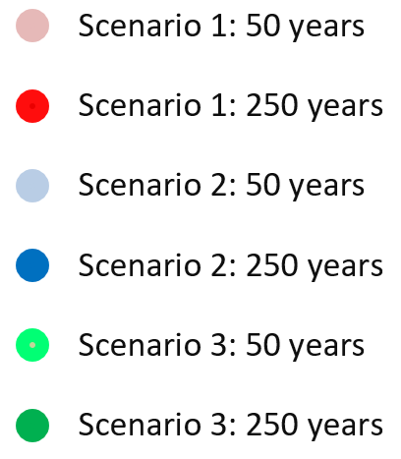
DP remaining after a 50 and 250 years horizon (%)
Scenario | 50 years | 250 years
1 | 60 | 29
2 | 38 | 21
3 | 28 | 17

BL remaining after a 50 and 250 years horizon (%)
Scenario | 50 years | 250 years
1 | 88 | 59
2 | 71 | 35
3 | 56 | 17

Degree of polymerization
 | 1 | 2 | 3
0 | 100.0 | 95.0 | 90.0
10 | 99.6 | 93.6 | 86.9
20 | 99.1 | 92.1 | 83.8
30 | 98.7 | 90.7 | 80.7
40 | 98.2 | 89.2 | 77.7
50 | 97.8 | 87.8 | 74.9
60 | 97.3 | 86.3 | 72.2
70 | 96.9 | 84.8 | 69.6
80 | 96.4 | 83.4 | 67.3
90 | 95.9 | 82.0 | 65.2
100 | 95.5 | 80.5 | 63.2
110 | 95.0 | 79.2 | 61.4
120 | 94.5 | 77.8 | 59.8
130 | 94.1 | 76.5 | 58.4
140 | 93.6 | 75.2 | 57.0
150 | 93.1 | 74.0 | 55.8
160 | 92.6 | 72.8 | 54.6
170 | 92.2 | 71.6 | 53.6
180 | 91.7 | 70.5 | 52.6
190 | 91.2 | 69.5 | 51.7
200 | 90.7 | 68.4 | 50.9
210 | 90.3 | 67.5 | 50.1
220 | 89.8 | 66.5 | 49.4
230 | 89.3 | 65.6 | 48.7
240 | 88.8 | 64.7 | 48.1
250 | 88.4 | 63.9 | 47.5
260 | 87.9 | 63.1 | 46.9
270 | 87.4 | 62.3 | 46.3
280 | 86.9 | 61.6 | 45.8
290 | 86.5 | 60.9 | 45.4
300 | 86.0 | 60.2 | 44.9
310 | 85.5 | 59.5 | 44.5
320 | 85.1 | 58.9 | 44.0
330 | 84.6 | 58.3 | 43.7
340 | 84.1 | 57.7 | 43.3
350 | 83.7 | 57.2 | 42.9
360 | 83.2 | 56.6 | 42.6
370 | 82.8 | 56.1 | 42.2
380 | 82.3 | 55.6 | 41.9
390 | 81.9 | 55.1 | 41.6
400 | 81.4 | 54.6 | 41.3
410 | 81.0 | 54.2 | 41.0
420 | 80.5 | 53.7 | 40.8
430 | 80.1 | 53.3 | 40.5
440 | 79.7 | 52.9 | 40.3
450 | 79.2 | 52.5 | 40.0
460 | 78.8 | 52.1 | 39.8
470 | 78.4 | 51.8 | 39.5
480 | 78.0 | 51.4 | 39.3
490 | 77.6 | 51.0 | 39.1
...
Breaking length
 | 1 | 2 | 3
0 | 100.0 | 98.0 | 95.8
10 | 99.8 | 97.4 | 94.3
20 | 99.7 | 96.8 | 92.7
30 | 99.5 | 96.1 | 91.0
40 | 99.3 | 95.4 | 89.2
50 | 99.1 | 94.7 | 87.3
60 | 99.0 | 94.0 | 85.4
70 | 98.8 | 93.2 | 83.5
80 | 98.6 | 92.5 | 81.6
90 | 98.4 | 91.7 | 79.8
100 | 98.2 | 90.9 | 78.0
110 | 98.0 | 90.1 | 76.3
120 | 97.8 | 89.2 | 74.6
130 | 97.6 | 88.4 | 73.1
140 | 97.4 | 87.6 | 71.5
150 | 97.2 | 86.7 | 70.1
160 | 97.0 | 85.9 | 68.6
170 | 96.8 | 85.1 | 67.3
180 | 96.6 | 84.2 | 66.0
190 | 96.4 | 83.4 | 64.8
200 | 96.1 | 82.6 | 63.6
210 | 95.9 | 81.8 | 62.4
220 | 95.7 | 81.0 | 61.3
230 | 95.5 | 80.2 | 60.2
240 | 95.3 | 79.4 | 59.2
250 | 95.0 | 78.7 | 58.2
260 | 94.8 | 77.9 | 57.2
270 | 94.6 | 77.2 | 56.3
280 | 94.3 | 76.4 | 55.4
290 | 94.1 | 75.7 | 54.5
300 | 93.8 | 75.0 | 53.7
310 | 93.6 | 74.3 | 52.8
320 | 93.4 | 73.7 | 52.0
330 | 93.1 | 73.0 | 51.3
340 | 92.9 | 72.3 | 50.5
350 | 92.6 | 71.7 | 49.8
360 | 92.4 | 71.1 | 49.1
370 | 92.1 | 70.4 | 48.4
380 | 91.9 | 69.8 | 47.7
390 | 91.6 | 69.2 | 47.0
400 | 91.4 | 68.6 | 46.4
410 | 91.1 | 68.1 | 45.7
420 | 90.9 | 67.5 | 45.1
430 | 90.6 | 66.9 | 44.5
440 | 90.4 | 66.4 | 44.0
450 | 90.1 | 65.9 | 43.4
460 | 89.8 | 65.3 | 42.8
470 | 89.6 | 64.8 | 42.3
480 | 89.3 | 64.3 | 41.7
490 | 89.1 | 63.8 | 41.2
...
BL versus DP
 | Scenario 1: 100 yrs |  | Scenario 1: 500 yrs |  | Scenario 2: 100 yrs |  | Scenario 2: 500 yrs |  | Scenario 3: 100 yrs |  | Scenario 3: 500 yrs |  | Acid fine paper
1134 | 12.61 | 917 | 11.41 | 957 | 11.67 | 602 | 8.13 | 751 | 10.02 | 462 | 5.23 | 1200 | 12.89
 |  |  |  |  |  |  |  |  |  |  |  | 1150 | 12.68
 |  |  |  |  |  |  |  |  |  |  |  | 1100 | 12.45
 |  |  |  |  |  |  |  |  |  |  |  | 1050 | 12.20
 |  |  |  |  |  |  |  |  |  |  |  | 1000 | 11.93
 |  |  |  |  |  |  |  |  |  |  |  | 950 | 11.63
 |  |  |  |  |  |  |  |  |  |  |  | 900 | 11.29
 |  |  |  |  |  |  |  |  |  |  |  | 850 | 10.91
 |  |  |  |  |  |  |  |  |  |  |  | 800 | 10.49
 |  |  |  |  |  |  |  |  |  |  |  | 750 | 10.01
 |  |  |  |  |  |  |  |  |  |  |  | 700 | 9.46
 |  |  |  |  |  |  |  |  |  |  |  | 650 | 8.83
 |  |  |  |  |  |  |  |  |  |  |  | 600 | 8.09
 |  |  |  |  |  |  |  |  |  |  |  | 550 | 7.22
 |  |  |  |  |  |  |  |  |  |  |  | 500 | 6.17
 |  |  |  |  |  |  |  |  |  |  |  | 450 | 4.89
 |  |  |  |  |  |  |  |  |  |  |  | 400 | 3.29
 |  |  |  |  |  |  |  |  |  |  |  | 367 | 1.99
Scenarios for acid fine paper
Scenario | Current DP (%) | Temperature (0C) | RH (%)
1 | 100 | 15 | 40
2 | 95 | 21 | 50
3 | 90 | 25 | 60

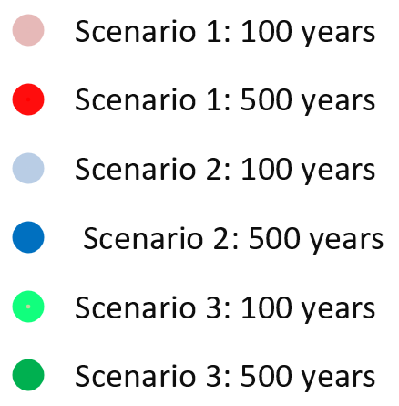
DP remaining after 100 and 500 years (%)
Scenario | 100 years | 500 years
1 | 95 | 77
Scenarios
Scenarios
2 | 81 | 51
3 | 63 | 39

BL remaining after 100 and 500 years (%)
Scenario | 100 years | 500 years
1 | 98 | 89
2 | 91 | 63
3 | 78 | 41

Degree of polymerization
 | 1 | 2 | 3
0 | 100.0 | 95.0 | 90.0
10 | 99.9 | 94.7 | 89.4
20 | 99.8 | 94.4 | 88.7
30 | 99.7 | 94.0 | 88.1
40 | 99.6 | 93.7 | 87.5
50 | 99.4 | 93.4 | 86.9
60 | 99.3 | 93.1 | 86.3
70 | 99.2 | 92.8 | 85.7
80 | 99.1 | 92.5 | 85.2
90 | 99.0 | 92.2 | 84.6
100 | 98.9 | 91.9 | 84.1
110 | 98.8 | 91.6 | 83.5
120 | 98.7 | 91.3 | 83.0
130 | 98.6 | 91.1 | 82.5
140 | 98.5 | 90.8 | 82.0
150 | 98.4 | 90.5 | 81.5
160 | 98.3 | 90.2 | 81.0
170 | 98.2 | 89.9 | 80.5
180 | 98.1 | 89.7 | 80.0
190 | 98.0 | 89.4 | 79.5
200 | 97.8 | 89.1 | 79.0
210 | 97.7 | 88.9 | 78.5
220 | 97.6 | 88.6 | 78.0
230 | 97.5 | 88.3 | 77.6
240 | 97.4 | 88.1 | 77.1
250 | 97.3 | 87.8 | 76.7
260 | 97.2 | 87.6 | 76.2
270 | 97.1 | 87.3 | 75.7
280 | 97.0 | 87.1 | 75.3
290 | 96.9 | 86.8 | 74.8
300 | 96.8 | 86.6 | 74.4
310 | 96.7 | 86.3 | 74.0
320 | 96.6 | 86.1 | 73.5
330 | 96.5 | 85.8 | 73.1
340 | 96.4 | 85.6 | 72.6
350 | 96.3 | 85.3 | 72.2
360 | 96.2 | 85.1 | 71.8
370 | 96.1 | 84.9 | 71.3
380 | 96.0 | 84.6 | 70.9
390 | 95.9 | 84.4 | 70.5
400 | 95.8 | 84.2 | 70.0
410 | 95.7 | 83.9 | 69.6
420 | 95.7 | 83.7 | 69.2
430 | 95.6 | 83.5 | 68.8
440 | 95.5 | 83.2 | 68.3
450 | 95.4 | 83.0 | 67.9
460 | 95.3 | 82.8 | 67.5
470 | 95.2 | 82.6 | 67.1
480 | 95.1 | 82.4 | 66.6
490 | 95.0 | 82.1 | 66.2
...
Breaking length
 | 1 | 2 | 3
0 | 100.0 | 99.3 | 98.4
10 | 100.0 | 99.2 | 98.3
20 | 100.0 | 99.2 | 98.2
30 | 100.0 | 99.1 | 98.1
40 | 99.9 | 99.1 | 98.0
50 | 99.9 | 99.0 | 97.9
60 | 99.9 | 99.0 | 97.8
70 | 99.9 | 98.9 | 97.7
80 | 99.9 | 98.9 | 97.6
90 | 99.9 | 98.8 | 97.5
100 | 99.8 | 98.8 | 97.4
110 | 99.8 | 98.7 | 97.2
120 | 99.8 | 98.7 | 97.1
130 | 99.8 | 98.6 | 97.0
140 | 99.8 | 98.6 | 96.9
150 | 99.8 | 98.5 | 96.8
160 | 99.8 | 98.5 | 96.7
170 | 99.7 | 98.4 | 96.6
180 | 99.7 | 98.4 | 96.5
190 | 99.7 | 98.3 | 96.4
200 | 99.7 | 98.3 | 96.3
210 | 99.7 | 98.2 | 96.2
220 | 99.7 | 98.2 | 96.1
230 | 99.6 | 98.2 | 96.0
240 | 99.6 | 98.1 | 95.9
250 | 99.6 | 98.1 | 95.7
260 | 99.6 | 98.0 | 95.6
270 | 99.6 | 98.0 | 95.5
280 | 99.6 | 97.9 | 95.4
290 | 99.6 | 97.9 | 95.3
300 | 99.5 | 97.8 | 95.2
310 | 99.5 | 97.8 | 95.1
320 | 99.5 | 97.7 | 95.0
330 | 99.5 | 97.7 | 94.9
340 | 99.5 | 97.6 | 94.7
350 | 99.5 | 97.6 | 94.6
360 | 99.5 | 97.6 | 94.5
370 | 99.4 | 97.5 | 94.4
380 | 99.4 | 97.5 | 94.3
390 | 99.4 | 97.4 | 94.1
400 | 99.4 | 97.4 | 94.0
410 | 99.4 | 97.3 | 93.9
420 | 99.4 | 97.3 | 93.8
430 | 99.4 | 97.2 | 93.7
440 | 99.3 | 97.2 | 93.5
450 | 99.3 | 97.1 | 93.4
460 | 99.3 | 97.1 | 93.3
470 | 99.3 | 97.1 | 93.1
480 | 99.3 | 97.0 | 93.0
490 | 99.3 | 97.0 | 92.9
...
BL versus DP
 | Scenario 1: 100 yrs |  | Scenario 1: 500 yrs |  | Scenario 2: 100 yrs |  | Scenario 2: 500 yrs |  | Scenario 3: 100 yrs |  | Scenario 3: 500 yrs |  | Alkakine fine paper
2392 | 14.19 | 2295 | 14.11 | 2224 | 14.04 | 1981 | 13.78 | 2034 | 13.84 | 1591 | 13.18 | 2450 | 14.24
 |  |  |  |  |  |  |  |  |  |  |  | 2350 | 14.16
 |  |  |  |  |  |  |  |  |  |  |  | 2250 | 14.07
 |  |  |  |  |  |  |  |  |  |  |  | 2150 | 13.97
 |  |  |  |  |  |  |  |  |  |  |  | 2050 | 13.86
 |  |  |  |  |  |  |  |  |  |  |  | 1950 | 13.74
 |  |  |  |  |  |  |  |  |  |  |  | 1850 | 13.60
 |  |  |  |  |  |  |  |  |  |  |  | 1750 | 13.46
 |  |  |  |  |  |  |  |  |  |  |  | 1650 | 13.29
 |  |  |  |  |  |  |  |  |  |  |  | 1550 | 13.10
 |  |  |  |  |  |  |  |  |  |  |  | 1450 | 12.89
 |  |  |  |  |  |  |  |  |  |  |  | 1350 | 12.64
 |  |  |  |  |  |  |  |  |  |  |  | 1250 | 12.36
 |  |  |  |  |  |  |  |  |  |  |  | 1150 | 12.02
 |  |  |  |  |  |  |  |  |  |  |  | 1050 | 11.63
 |  |  |  |  |  |  |  |  |  |  |  | 950 | 11.14
 |  |  |  |  |  |  |  |  |  |  |  | 900 | 10.86
 |  |  |  |  |  |  |  |  |  |  |  | 850 | 10.55
 |  |  |  |  |  |  |  |  |  |  |  | 800 | 10.20
 |  |  |  |  |  |  |  |  |  |  |  | 750 | 9.80
 |  |  |  |  |  |  |  |  |  |  |  | 700 | 9.34
 |  |  |  |  |  |  |  |  |  |  |  | 650 | 8.81
 |  |  |  |  |  |  |  |  |  |  |  | 600 | 8.20
 |  |  |  |  |  |  |  |  |  |  |  | 550 | 7.47
 |  |  |  |  |  |  |  |  |  |  |  | 500 | 6.59
 |  |  |  |  |  |  |  |  |  |  |  | 450 | 5.53
 |  |  |  |  |  |  |  |  |  |  |  | 400 | 4.19
 |  |  |  |  |  |  |  |  |  |  |  | 350 | 2.48
 |  |  |  |  |  |  |  |  |  |  |  | 340 | 2.07
Scenarios for alkaline fine paper
Scenario | Current DP (%) | Temperature (0C) | RH (%)
1 | 100 | 15 | 40
2 | 95 | 21 | 50
3 | 90 | 25 | 60

DP remaining after 100 and 500 years (%)
Scenario | 100 years | 500 years
1 | 99 | 95
Scenarios
Scenarios
2 | 92 | 82
3 | 84 | 66

BL remaining after 100 and 500 years (%)
Scenario | 100 years | 500 years
1 | 100 | 99
2 | 99 | 97
3 | 97 | 93

